Sheet1
Retsku | Product Title | Detailed Description | Categorization | Product URL | Primary Image URL | Selling Price | Regular Price | Condition | Availability | Manufacturer Name | Manufacturer Part Number | UPC | Shipping Cost | Weight
our unique id |  |  | Computers > Printers & Scanners > Ink & Toner | &utm_source=pricegrabber&utm_medium=shoppingengine&utm_campaign=pricegrabbershopping

Condition | New Used Like New Refurbished 3rd Party Open Box OEM

availability | Yes No Preorder

data feed requirements
https://partner.pricegrabber.com/mss_main.php?sec=2&ccode=us

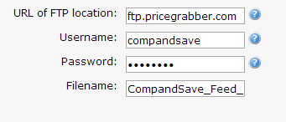

 |  |  |  | pass > ink94560

 |  |  |  | CompandSave_Feed_Pricegrabber.txt

